ZKTECO VIDEO INTERCOM
Product category | Types | Model | Picture | Products describe/Specification | Price | Last Price Update Date | SRP (End-User) |  | DEALER's PRICE |  | CONTRACTOR's PRICE
 |  |  |  |  |  |  | Small Volume (50% Mark-Up) | Big Volume (30% Mark-Up) | Small Volume (30% Mark-Up) | Big Volume (20% Mark-Up) | Small Volume (15% Mark-Up) | Big Volume (10% Mark-Up)
Analog Video Intercom | KIT | VDPO3-B3 Kit | 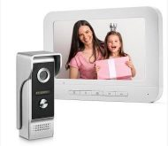 | visual, intercom, unlock, color night vision, rainproof, explosion-proof camera: 700 line CMOS color camera with super backlight compensation power consumption: standby 0W, work ≤ 2W Power supply mode: indoor extension power supply mode: RVV4 core wire connection night vision: 4 LED night vision white lights best night vision distance: 0.2--1.2 meters camera angle: 90 degrees working temperature range: -20 --- +60 degrees Celsius host material: zinc alloy die-casting installation method ： Paperback installation Dimensions: length 140 * width 43 * thickness 30mm (40mm above rain cover) | PHP 5,400.00 | 2022-06-01 | 8,100.00 | 7,020.00 | 7,020.00 | 6,480.00 | 6,210.00 | 5,940.00
Analog Video Intercom | KIT | VDPO4-B4 Kit | 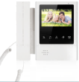 | Function introduction: visual, intercom, unlock, infrared night vision, rainproof Camera: 700-line CMOS color camera with super backlight compensation Power consumption: standby 0W, work ≤2W Power supply mode: indoor extension power supply Wiring method: RVV4 core wire connection Night vision: 5 LED infrared night vision fill lights The best distance for night vision: 0.2--1.2 meters Camera angle: 90 degrees Operating temperature range: -20 --- + 60 degrees Celsius Host material: ABS engineering plastic + brushed metal imitation panel Installation: paperback installation Dimensions: length 125 * width 95 * thickness 35mm (48mm above rain cover) | PHP 4,850.00 | 2022-06-01 | 7,275.00 | 6,305.00 | 6,305.00 | 5,820.00 | 5,577.50 | 5,335.00
Analog Video Intercom | Indoor Monitor | VDPI-B3 |  | Video intercom with the host, unlock, monitor, do not disturb Display: TFT-LCD 7-inch digital high-definition LCD display Resolution: 800 * 480 Power: Input voltage: AC 100V-240V, Output voltage: DC15V 1.2A Power consumption: Standby ≤ 1W, Work ≤ 10W Ringtone: 25 songs and rotary music Color selection: white Wiring method: One to one RVV4 core wire connection, (maximum distance of 100 meters) Installation method: wall hanging Appearance size: length 230 * width 165 * thickness 20mm Material: ABS engineering plastic | PHP 3,900.00 | 2022-06-01 | 5,850.00 | 5,070.00 | 5,070.00 | 4,680.00 | 4,485.00 | 4,290.00
Analog Video Intercom | Indoor Monitor | VDPI-B4 |  | Video intercom with the host, unlock, monitor, do not disturb Display: TFT-LCD 4.3-inch digital high-definition LCD display Resolution: 480 *272，Power: Input voltage: AC 100V-240V, Output voltage: DC15V 1.2A Power consumption: Standby ≤ 1W, Work ≤ 10W Ringtone: 25 songs and rotary music Color selection: white Wiring method: One to one RVV4 core wire connection, (maximum distance of 100 meters) Installation method: wall hanging Appearance size: length 215 * width 195 * thickness 48mm Material: ABS engineering plastic | PHP 3,800.00 | 2022-06-01 | 5,700.00 | 4,940.00 | 4,940.00 | 4,560.00 | 4,370.00 | 4,180.00
Analog Video Intercom | KIT | VK04-A01 Kit | 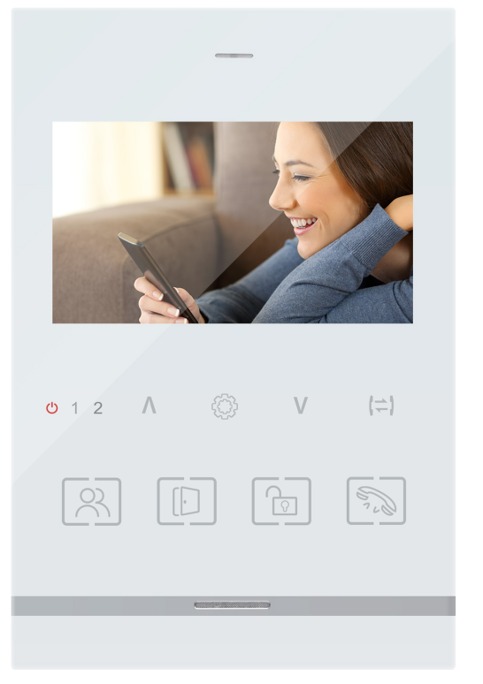 | Pinhole 3.7mm Lens , 600TVL Without IR Cut，Angle75° With Night vision , infrared LED5PCS Suitable for different electronic lock Aluminum alloy case CVBS system 4.3" TFT Screen Talking/Unlock/Monitoring /Transfer calling /Internal calling With 30 Ringtone Support 4 indoor monitors, 2 call panel ,3Locks and 2 cameras / Alarms | PHP 5,100.00 | 2022-06-01 | 7,650.00 | 6,630.00 | 6,630.00 | 6,120.00 | 5,865.00 | 5,610.00
Analog Video Intercom | KIT | VK07-A01 Kit | 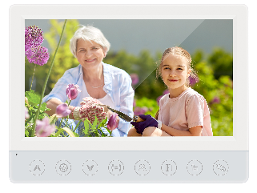 | Pinhole 3.7mm Lens , 1000TVL With Night vision , infrared LED5PCS Suitable for different electronic lock Aluminum alloy case CVBS system 7" TFT Screen Talking/Unlock/Monitoring /Transfer calling /Internal calling Support 4 indoor monitors, 2 call panel ,3Locks and 2 cameras / Alarms Support max.32G SD Card ，built in 20pcs picture | PHP 7,000.00 | 2022-06-01 | 10,500.00 | 9,100.00 | 9,100.00 | 8,400.00 | 8,050.00 | 7,700.00
Hybrid Video Intercom | KIT | VK07-C02 Kit | 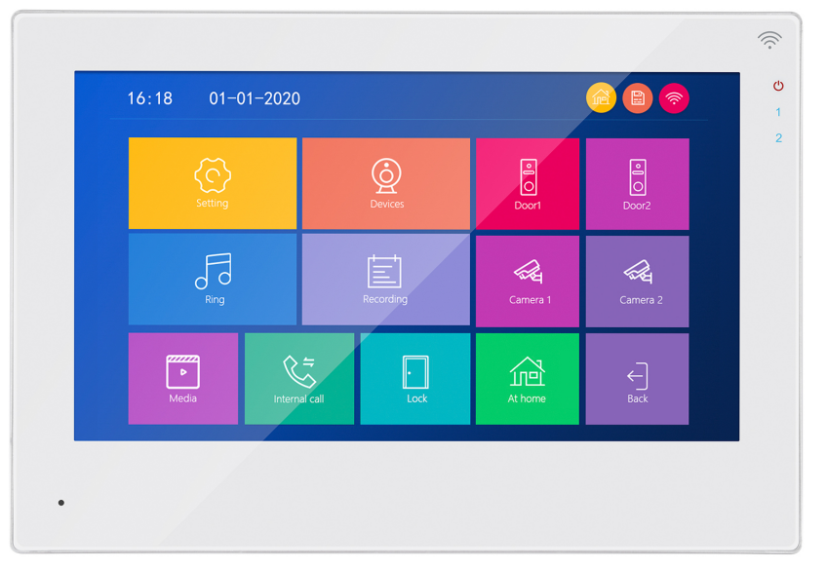 | Wide-Angle AHD1080P/2MP 3.2mm Lens, With IR Cut，Angle148° With Night vision , infrared LED5PCS Suitable for different electronic lock Aluminum Alloy Case +Glass Support switch signal from 1080P-720P-CVBS 7" Capacitive Touch Screen 2.4G Wifi connect to internet Work with Tuya App AHD/TVI/CVI /CVBS video input Support max.128G SD Card Talking/Unlock/Monitoring/Internal calling / Transfer calling Photo Frame & clock & voice message Motion detection for 4 channel 3 different styles UI menu for selection Support 6 indoor monitors, 2 call panel ,3Locks and 2 cameras / Alarms ABS Plastic | PHP 10,700.00 | 2022-06-01 | 16,050.00 | 13,910.00 | 13,910.00 | 12,840.00 | 12,305.00 | 11,770.00
Analog Video Intercom | Indoor Monitor | VT04-A01 |  | CVBS system 4.3" TFT Screen ABS Plastic with Sensor button Talking/Unlock/Monitoring /Transfer calling /Internal calling Support 4 indoor monitors, 2 call panel ,3Locks and 2 cameras / Alarms | PHP 3,450.00 | 2022-06-01 | 5,175.00 | 4,485.00 | 4,485.00 | 4,140.00 | 3,967.50 | 3,795.00
Analog Video Intercom | Indoor Monitor | VT07-A01 |  | CVBS system 7" TFT Screen ABS Plastic with Sensor button Talking/Unlock/Monitoring /Transfer calling /Internal calling Support 4 indoor monitors, 2 call panel ,3Locks and 2 cameras / Alarms Support max.32G SD Card ，built in 20pcs picture | PHP 4,850.00 | 2022-06-01 | 7,275.00 | 6,305.00 | 6,305.00 | 5,820.00 | 5,577.50 | 5,335.00
Hybrid Video Intercom | Indoor Monitor | VT07-C02 |  | 7" Capacitive Touch Screen 2.4G Wifi connect to internet Work with Tuya App AHD/TVI/CVI /CVBS video input Support max.128G SD Card Talking/Unlock/Monitoring/Internal calling / Transfer calling Photo Frame & clock & voice message Motion detection for 4 channel 3 different styles UI menu for selection Support 6 indoor monitors, 2 call panel ,3Locks and 2 cameras / Alarms ABS Plastic | PHP 8,400.00 | 2022-06-01 | 12,600.00 | 10,920.00 | 10,920.00 | 10,080.00 | 9,660.00 | 9,240.00
Analog Video Intercom | Outdoor Station | VE01-A02 |  | Wide-Angle AHD1080P/2MP 3.2mm Lens, With IR Cut，Angle148° With Night vision , infrared LED5PCS Suitable for different electronic lock Aluminum Alloy Case + Acrylic Size :133X48X18.8mm With Name tag , connect 1 family | PHP 3,150.00 | 2022-06-01 | 4,725.00 | 4,095.00 | 4,095.00 | 3,780.00 | 3,622.50 | 3,465.00
Analog Video Intercom | Outdoor Station | VE02-A02 |  | Wide-Angle AHD1080P/2MP 3.2mm Lens, With IR Cut，Angle148° With Night vision , infrared LED5PCS Suitable for different electronic lock Aluminum Alloy Case + Acrylic Size :133X48X18.8mm With Name tag , connect 2 family | PHP 3,250.00 | 2022-06-01 | 4,875.00 | 4,225.00 | 4,225.00 | 3,900.00 | 3,737.50 | 3,575.00
Analog Video Intercom | Outdoor Station | VE03-A02 |  | Wide-Angle AHD1080P/2MP 3.2mm Lens, With IR Cut，Angle148° With Night vision , infrared LED5PCS Suitable for different electronic lock Aluminum Alloy Case + Acrylic Size :133X48X18.8mm With Name tag , connect 3 family | PHP 3,350.00 | 2022-06-01 | 5,025.00 | 4,355.00 | 4,355.00 | 4,020.00 | 3,852.50 | 3,685.00
Analog Video Intercom | Outdoor Station | VE04-A02 |  | Wide-Angle AHD1080P/2MP 3.2mm Lens, With IR Cut，Angle148° With Night vision , infrared LED5PCS Suitable for different electronic lock Aluminum Alloy Case + Acrylic Size :133X48X18.8mm With Name tag , connect 4 family | PHP 3,450.00 | 2022-06-01 | 5,175.00 | 4,485.00 | 4,485.00 | 4,140.00 | 3,967.50 | 3,795.00
Analog Video Intercom | Outdoor Station | VE02-A01 |  | Building card-opening host 265mm*128mm*48mm Aluminum alloy shell, For 2 family, DC12V-15V (separate power supply), 700 lines CMOS color camera, embedded installation, -20℃~60℃, US standard power supply | PHP 3,700.00 | 2022-06-01 | 5,550.00 | 4,810.00 | 4,810.00 | 4,440.00 | 4,255.00 | 4,070.00
Analog Video Intercom | Outdoor Station | VE03-A01 |  | Building card-opening host 265mm*128mm*48mm Aluminum alloy shell, For 3 family, DC12V-15V (separate power supply), 700 lines CMOS color camera, embedded installation, -20℃~60℃, US standard power supply | PHP 3,700.00 | 2022-06-01 | 5,550.00 | 4,810.00 | 4,810.00 | 4,440.00 | 4,255.00 | 4,070.00
Analog Video Intercom | Outdoor Station | VE04-A01 |  | Building card-opening host 265mm*128mm*48mm Aluminum alloy shell, For 4 family, DC12V-15V (separate power supply), 700 lines CMOS color camera, embedded installation, -20℃~60℃, US standard power supply | PHP 4,450.00 | 2022-06-01 | 6,675.00 | 5,785.00 | 5,785.00 | 5,340.00 | 5,117.50 | 4,895.00
Analog Video Intercom | Outdoor Station | VE06-A01 |  | Building card-opening host 265mm*128mm*48mm Aluminum alloy shell, For 6 family, DC12V-15V (separate power supply), 700 lines CMOS color camera, embedded installation, -20℃~60℃, US standard power supply | PHP 4,450.00 | 2022-06-01 | 6,675.00 | 5,785.00 | 5,785.00 | 5,340.00 | 5,117.50 | 4,895.00
Analog Video Intercom | Outdoor Station | VE08-A01 |  | Building card-opening host 331mm*128mm*48mm Aluminum alloy shell, For 8 family, DC12V-15V (separate power supply), 700 lines CMOS color camera, embedded installation, -20℃~60℃, US standard power supply | PHP 5,300.00 | 2022-06-01 | 7,950.00 | 6,890.00 | 6,890.00 | 6,360.00 | 6,095.00 | 5,830.00
Analog Video Intercom | Outdoor Station | VE10-A01 |  | Building card-opening host 331mm*128mm*48mm Aluminum alloy shell, For 10 family, DC12V-15V (separate power supply), 700 lines CMOS color camera, embedded installation, -20℃~60℃, US standard power supply | PHP 5,300.00 | 2022-06-01 | 7,950.00 | 6,890.00 | 6,890.00 | 6,360.00 | 6,095.00 | 5,830.00
Analog Video Intercom | Outdoor Station | VE12-A01 |  | Building card-opening host 331mm*128mm*48mm Aluminum alloy shell, For 12 family, DC12V-15V (separate power supply), 700 lines CMOS color camera, embedded installation, -20℃~60℃, US standard power supply | PHP 5,300.00 | 2022-06-01 | 7,950.00 | 6,890.00 | 6,890.00 | 6,360.00 | 6,095.00 | 5,830.00

